Table 1
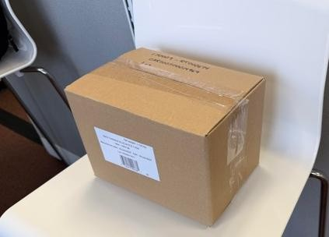
 |  |  | 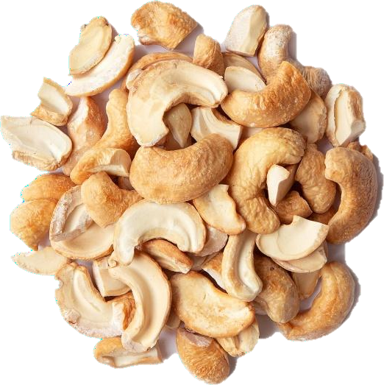
RESTRICTIONS APPLY - NO ADVERTISING - SECONDARY MARKET SALES ONLY
Item # | Description | Case Pack | Cases/ Pallet | Best By | Regular Retail | Unit Sell Price | Cases Available
632251092381 | Eatz Cashews Roasted & Salted, Tube Pack, 1.5oz | 12 | 240 | 2027-01-16 | $ 1.99 | $0.50 cents | 9937

