Hoka Gaviota 5 Woman
PICTURE | STYLE | SKU WOMAN | COLORWAY | GENDER | US 5\ EU 36 | US 5.5\ EU 36 2/3 | US 6\ EU 37 1/3 | US 6.5 \ EU 38 | US 7 \ EU 38 2/3 | US 7.5\ EU 39 1/3 | US 8\ EU 40 | US 8.5\ EU 40 2/3 | US 9\ EU 41 1/3 | US 9.5\ EU 42 | US 10\ EU 42 2/3 | US 10.5\ EU 43 1/3 | US 11\ EU 44 | US 12\ EU 45 1/3 | US 11.5\ EU 44 2/4 | QUANTITY | EURO RRP | WHLS
 | Gaviota 5 | 1134235/70 HMRG | Harbor Mist/Rose Gold | Woman | 31 | 67 | 199 | 306 | 344 | 450 | 610 | 596 | 510 | 404 | 279 | 171 | 248 |  | 67 | 4282 | € 170.00 | € 85.00
 | Gaviota 5 | 1134235 /ABSO | AIRY BLUE / SUNLIT OCEAN | Woman | 8 | 15 | 37 | 57 | 74 | 53 | 81 | 77 | 66 | 66 | 74 | 30 | 53 |  | 14 | 705 | € 170.00 | € 85.00
 | Gaviota 5 | 1134235/70 BWHT | Black/White | Woman | 17 | 45 | 195 | 271 | 449 | 580 | 652 | 618 | 650 | 532 | 639 | 273 | 370 | 18 | 84 | 5393 | € 170.00 | € 85.00
 | Gaviota 5 | 1134235/70 FTRS | Frost/Rose Gold | Woman | 10 | 24 | 77 | 132 | 239 | 196 | 222 | 277 | 228 | 183 | 166 | 59 | 63 |  | 15 | 1891 | € 170.00 | € 85.00
 | Gaviota 5 | 1134235/70 ARP | ANCHOR/GRAPEFRUIT | Woman | 24 | 70 | 253 | 452 | 581 | 720 | 774 | 690 | 623 | 466 | 434 | 190 | 203 |  | 24 | 5504 | € 170.00 | € 85.00
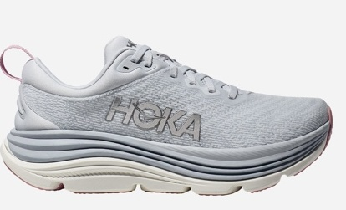 | Gaviota 5 | 1134235/70 SCP | Sea Ice Rosa Twilight | Woman | 32 | 69 | 189 | 341 | 460 | 473 | 587 | 585 | 578 | 445 | 329 | 145 | 172 |  | 17 | 4422 | € 170.00 | € 85.00
 | Gaviota 5 | 1134235 RHD | Real Teal/Shadow | Woman | 4 | 6 | 28 | 35 | 129 | 123 | 85 | 93 | 114 | 107 | 65 | 55 | 40 |  | 5 | 889 | € 170.00 | € 85.00
 | Gaviota 5 | 1134235 VLG | Vanilla Eggnog' | Woman | 4 | 13 | 69 | 140 | 113 | 171 | 182 | 171 | 172 | 86 | 82 | 11 | 113 |  | 17 | 1344 | € 170.00 | € 85.00
 | Gaviota 5 | 1134235 EVN | Evening Sky/Coral | Woman | 8 | 15 | 43 | 51 | 63 | 74 | 107 | 99 | 115 | 62 | 67 | 27 | 53 |  | 13 | 797 | € 170.00 | € 85.00
 | Gaviota 5 | 134235/70 BBLC | Black/Black | Woman | 14 | 21 | 61 | 74 | 106 | 115 | 130 | 120 | 152 | 104 | 86 | 49 | 53 |  | 19 | 1104 | € 170.00 | € 85.00
 |  |  |  |  |  |  |  |  |  |  |  |  |  |  |  |  |  |  |  | 26331

Hoka Gaviota 5 Man
PICTURE | STYLE | SKU MAN | COLORWAY | Gender | US 5.5\ EU 18 | US 6 \ EU 38 2/3 | US 6.5 \ EU 39 1/3 | US 7 \ EU 40 | US 7.5\ EU 40 2/3 | US 8\ EU 41 1/3 | US 8.5\ EU 42 | US 9\ EU 42 2/3 | US 9.5\ EU 43 1/3 | US 10\ EU 44 | US 10.5\ EU 44 2/3 | US 11\ EU 45 1/3 | US 11.5 \ EU 46 | QUANTITY | EURO RRP | WHLS
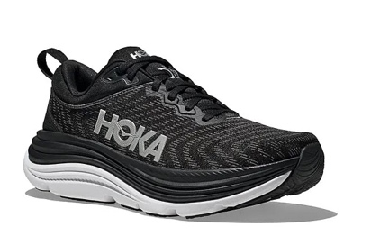 | Gaviota 5 | 1127929/BWHT | Black /White | Man | 6 | 11 | 3 | 43 | 66 | 84 | 245 | 353 | 304 | 495 | 464 | 466 | 261 | 2801 | € 170.00 | € 85.00
 | Gaviota 5 | 1127929/ 1134234 BTRC | Black /Electric Cobalt | Man |  |  |  | 12 | 4 | 53 | 81 | 110 | 96 | 126 | 114 | 108 | 98 | 802 | € 170.00 | € 85.00
 | Gaviota 5 | 1127929/ 1134234 LDVB | Limestone/Diva Blue | Man |  |  |  | 10 | 14 | 88 | 115 | 99 | 120 | 204 | 212 | 268 | 210 | 1340 | € 170.00 | € 85.00
 | Gaviota 5 | 1127929/ 1134234 DHN | Downpour/Thunder Cloud | Man |  |  |  | 27 | 52 | 132 | 215 | 384 | 490 | 480 | 463 | 422 | 303 | 2968 | € 170.00 | € 85.00
 | Gaviota 5 | 1127929/ 1134234 SSK | Shadow /Dusk | Man |  |  |  | 10 | 15 | 38 | 57 | 98 | 108 | 115 | 77 | 97 | 108 | 723 | € 170.00 | € 85.00
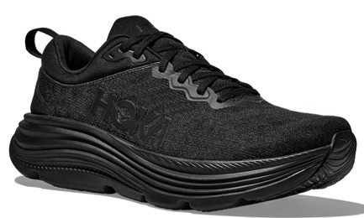 | Gaviota 5 | 1134234 BBLC | Black/ Black | Man |  |  |  | 11 | 24 | 46 | 70 | 118 | 77 | 109 | 103 | 100 | 65 | 723 | € 170.00 | € 85.00
 |  |  |  |  |  |  |  |  |  |  |  |  |  |  |  |  |  | 9357

