Products
Picture | Item no | Product Barcode | Description | Quantity | Recommended Retail Price | Price | Pcs / Carton | Taric Number | Cbm / Carton | Gross Weight / Carton | Availability (pcs)
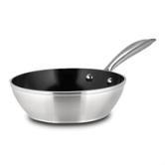 | 10-144-250 | 5205746005486 | Deep frying pan with stainless steel handle and non-stick ceramic coating "Elegance" 20cm | 1 | 28.90 € | 9.09 € | 6 | 7615108090 | 0.02318 | 3.7 | 973
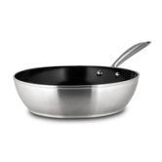 | 10-144-252 | 5205746007664 | Deep frying pan with stainless steel handle and non-stick ceramic coating "Elegance" 24cm | 1 | 33.90 € | 10.49 € | 6 | 7615108090 | 0.02995 | 4.5 | 1982
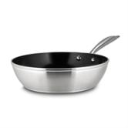 | 10-144-253 | 5205746007657 | Deep frying pan with stainless steel handle and non-stick ceramic coating "Elegance" 26cm | 1 | 37.90 € | 11.61 € | 6 | 7615108090 | 0.03366 | 5.5 | 3235
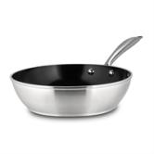 | 10-144-254 | 5205746007671 | Deep frying pan with stainless steel handle and non-stick ceramic coating "Elegance" 28cm | 1 | 42.90 € | 13.01 € | 6 | 7615108090 | 0.04036 | 6.8 | 2775
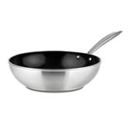 | 10-144-260 | 5205746007848 | Wok "Elegance" with stainless steel handle and non-stick ceramic coating 28cm | 1 | 42.90 € | 13.01 € | 6 | 7615108090 | 0.04199 | 6.7 | 880
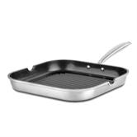 | 10-255-050 | 5205746007824 | Grill pan with stainless steel handle and non-stick ceramic coating "Elegance" 28cm | 1 | 48.90 € | 14.69 € | 6 | 7615108090 | 0.0516 | 5.7 | 5397
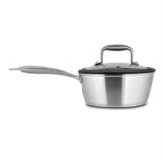 | 10-144-270 | 5205746007688 | Saucepan "Elegance" with stainless steel handle, nonstick ceramic coating and silicone rim on the lid 18cm | 1 | 44.00 € | 13.32 € | 6 | 7615108090 | 0.03328 | 6.2 | 448
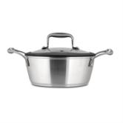 | 10-144-280 | 5205746007695 | Casserole "Elegance" with stainless steel handles, nonstick ceramic coating and silicone rim on the lid 20cm | 1 | 55.90 € | 16.65 € | 6 | 7615108090 | 0.04433 | 8 | 347
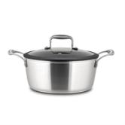 | 10-144-281 | 5205746007701 | Casserole "Elegance" with stainless steel handles, nonstick ceramic coating and silicone rim on the lid 24cm | 1 | 67.00 € | 19.76 € | 4 | 7615108090 | 0.04703 | 7.3 | 1141
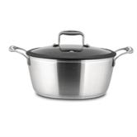 | 10-144-282 | 5205746007718 | Casserole "Elegance" with stainless steel handles, nonstick ceramic coating and silicone rim on the lid 26cm | 1 | 74.00 € | 21.72 € | 4 | 7615108090 | 0.05603 | 8.7 | 416
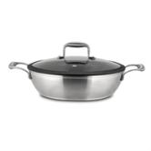 | 10-144-290 | 5205746007732 | Low casserole "Elegance" with stainless steel handles, nonstick ceramic coating and silicone rim on the lid 28cm | 1 | 69.00 € | 20.32 € | 4 | 7615108090 | 0.0348 | 8.4 | 1866
 |  |  |  |  |  |  |  |  |  |  | 19460

