Specification
 |  |  |  |  |  |  |  |  |  |  |  | €101,868.5 | 10723
ARTICLE | IMAGE 1 | IMAGE 2 | IMAGE 3 | SIZE | COLOR | COLOR DESCRIPTION | PRODUCT NAME | BRAND | WHS | RRP | Price | TOT. PRICE | QTY | UNI
HMP22247TM | 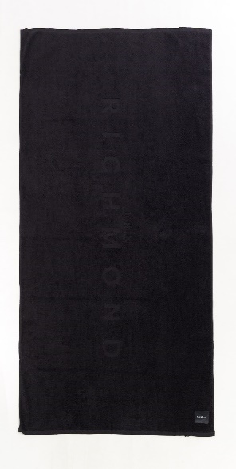 | 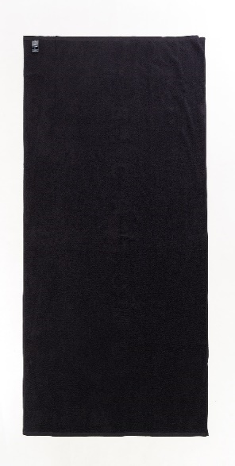 | 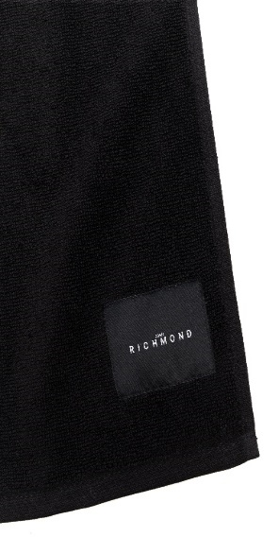 | 180*100 cm | BLACK | BLACK | BEACH TOWEL | JOHN RICHMOND | €43 | €95 | €9.5 | €12,217.0 | 1286 | 1286
HMP22248TM | 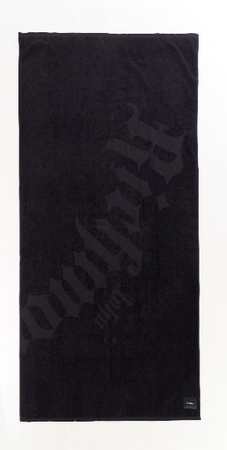 |  |  | 180*100 cm | BLACK | BLACK | BEACH TOWEL | JOHN RICHMOND | €43 | €95 | €9.5 | €12,568.5 | 1323 | 1323
HMP22249TM | 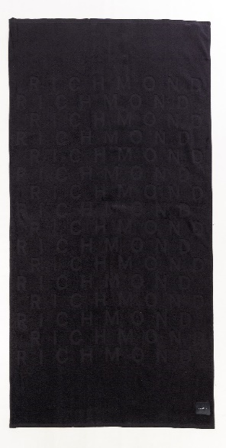 |  |  | 180*100 cm | BLACK | BLACK | BEACH TOWEL | JOHN RICHMOND | €43 | €95 | €9.5 | €4,455.5 | 469 | 469
HMP22250TM |  |  |  | 180*100 cm | BLACK | BLACK | BEACH TOWEL | JOHN RICHMOND | €43 | €95 | €9.5 | €12,901.0 | 1358 | 1358
HMP22251TM | 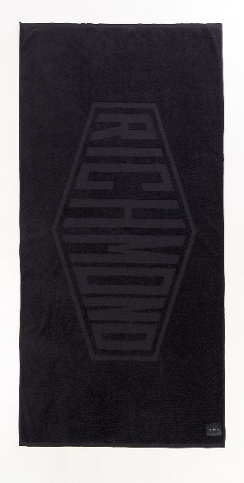 | 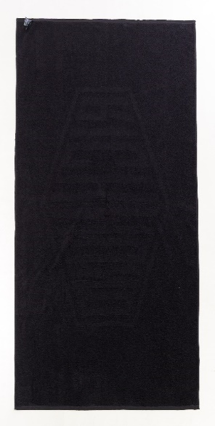 |  | 180*100 cm | BLACK | BLACK | BEACH TOWEL | JOHN RICHMOND | €43 | €95 | €9.5 | €6,897.0 | 726 | 726
HMP22252TM |  | 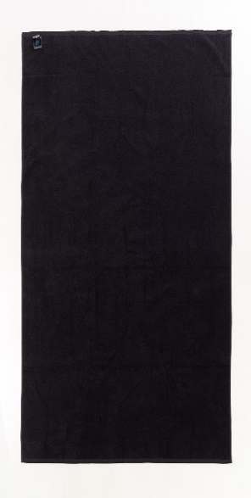 |  | 180*100 cm | BLACK | BLACK | BEACH TOWEL | JOHN RICHMOND | €43 | €95 | €9.5 | €12,559.0 | 1322 | 1322
HMP22253TM | 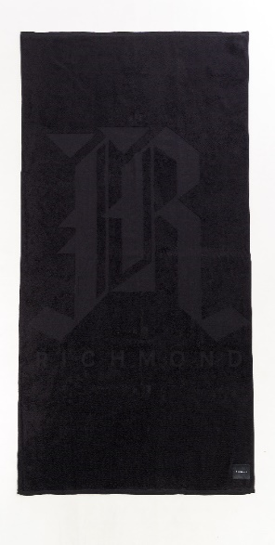 |  |  | 180*100 cm | BLACK | BLACK | BEACH TOWEL | JOHN RICHMOND | €43 | €95 | €9.5 | €10,507.0 | 1106 | 1106
HMP22254TM |  |  | 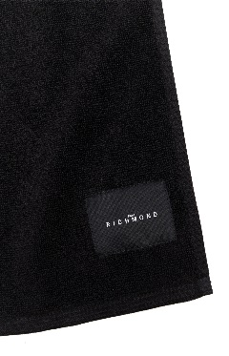 | 180*100 cm | BLACK | BLACK | BEACH TOWEL | JOHN RICHMOND | €43 | €95 | €9.5 | €8,331.5 | 877 | 877
HMP22255TM | 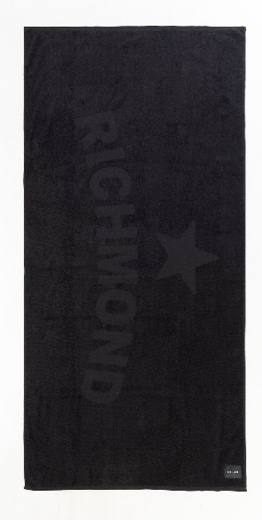 | 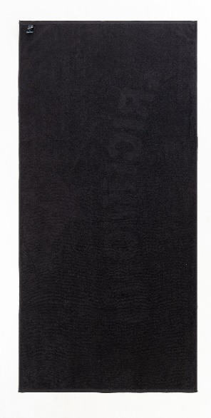 | 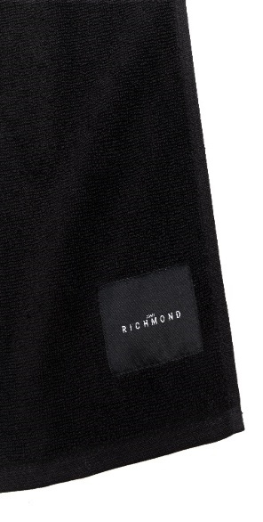 | 180*100 cm | BLACK | BLACK | BEACH TOWEL | JOHN RICHMOND | €43 | €95 | €9.5 | €10,507.0 | 1106 | 1106
HMP22256TM | 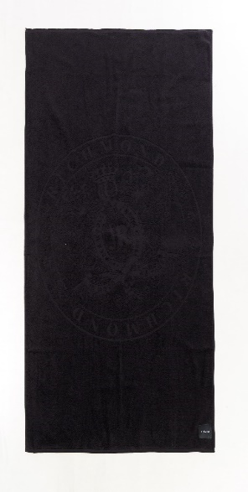 |  |  | 180*100 cm | BLACK | BLACK | BEACH TOWEL | JOHN RICHMOND | €43 | €95 | €9.5 | €10,925.0 | 1150 | 1150

