LIGHTING LOTTO 1
Code | Barcode | Description | PcsXconf. | Pieces | Photo
6817005 | 8024972084907 | LAMPADA TOUCH 3F B.FREDDO 11X26.5CM A BATT. | 24X1=24 | 72 | 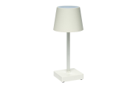
6817032 | 8024972112020 | LAMP. TOUCH RIC.USB 3F LUCE D.9X21CM M.01 | 12X1=12 | 576 | 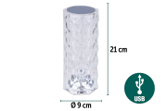
6817035 | 8024972112051 | LAMP. TOUCH RIC.USB 3F LUCE D.12X27CM M.04 | 12X1=12 | 144 | 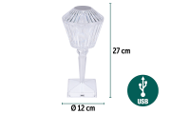
7035003 | 8024972106784 | LAMPADA SOLARE METALLO 5.5X36.5 M.104 1PCS WHITE LED - MAT. PLASTICA BATT. 1PZ 1.2V AA NI-MH 300MAH | 1X24=24 | 1848 | 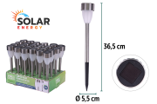
7035004 | 8024972106791 | LAMPADA SOLARE IN METALLO 6X6X42CM M.004 1PCS WHITE LED - MAT. PLASTICA BATT. 1PZ 1.2V AA NI-MH 300MAH | 1X24=24 | 336 | 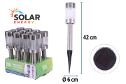
6820002 | 8024972105411 | APPLIQUE DA MURO ALL.2LED 6X6X5 BIANCO L.CALD | 12X1=12 | 84 | 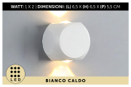 | PACKAGE INCLUDING LED LIGHTS
6820003 | 8024972105428 | APPLIQUE DA MURO ALL.2LED 6X6X5 BIANCO L.FRED | 1X12=12 | 60 | 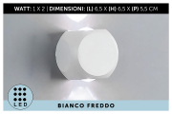 | PACKAGE INCLUDING LED LIGHTS
6820124 | 8032089752770 | APPLIQUE DA MURO ALL.2LED 6X6X5 BIANCO L.NAT. | 1X12=12 | 108 | 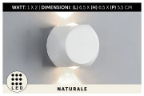 | PACKAGE INCLUDING LED LIGHTS
6820004 | 8024972105442 | APPLIQUE DA MURO ALL.2LED 6X6X5 NERO L.CALD | 1X12=12 | 60 | 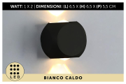 | PACKAGE INCLUDING LED LIGHTS
6820005 | 8024972105459 | APPLIQUE DA MURO ALL.2LED 6X6X5 NERO L.FREDD | 1X12=12 | 48 | 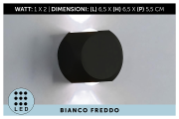 | PACKAGE INCLUDING LED LIGHTS
6820125 | 8032089752787 | APPLIQUE DA MURO ALL.2LED 6X6X5 NERO L.NAT. | 1X12=12 | 108 | 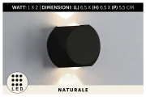 | PACKAGE INCLUDING LED LIGHTS
6820006 | 8024972105435 | APPLIQUE DA MURO ALL.4LED 6X6X5 BIANCO L.CALD | 1X12=12 | 60 | 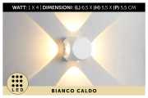 | PACKAGE INCLUDING LED LIGHTS
6820007 | 8024972105466 | APPLIQUE DA MURO ALL.4LED 6X6X5 BIANCO L.FRED | 1X12=12 | 108 | 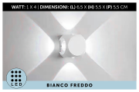 | PACKAGE INCLUDING LED LIGHTS
6820126 | 8032089752794 | APPLIQUE DA MURO ALL.4LED 6X6X5 BIANCO L.NAT. | 1X12=12 | 84 | 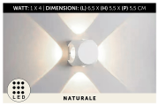 | PACKAGE INCLUDING LED LIGHTS
6820008 | 8024972105473 | APPLIQUE DA MURO ALL.4LED 6X6X5 NERO L.CALD | 1X12=12 | 84 | 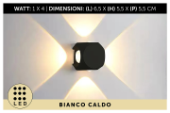 | PACKAGE INCLUDING LED LIGHTS
6820009 | 8024972105480 | APPLIQUE DA MURO ALL.4LED 6X6X5 NERO L.FRED | 1X12=12 | 96 | 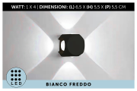 | PACKAGE INCLUDING LED LIGHTS
6820127 | 8032089752800 | APPLIQUE DA MURO ALL.4LED 6X6X5 NERO L.NAT. | 1X12=12 | 80 | 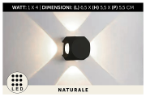 | PACKAGE INCLUDING LED LIGHTS
6820010 | 8024972105497 | APPLIQUE DA MURO ALL.4LED 11X8X3 BIANC L.CALD | 1X12=12 | 384 | 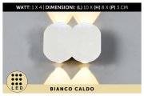 | PACKAGE INCLUDING LED LIGHTS
6820011 | 8024972105527 | APPLIQUE DA MURO ALL.4LED 11X8X3 BIANC L.FRED | 1X12=12 | 384 | 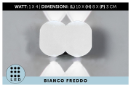 | PACKAGE INCLUDING LED LIGHTS
6820128 | 8032089752817 | APPLIQUE DA MURO ALL.4LED 11X8X3 BIANCO L.NAT | 1X12=12 | 312 | 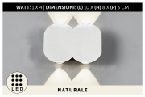 | PACKAGE INCLUDING LED LIGHTS
6820012 | 8024972105558 | APPLIQUE DA MURO ALL.4LED 11X8X3 NERO L.CALD | 1X12=12 | 396 | 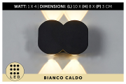 | PACKAGE INCLUDING LED LIGHTS
6820013 | 8024972105565 | APPLIQUE DA MURO ALL.4LED 11X8X3 NERO L.FRED | 1X12=12 | 320 | 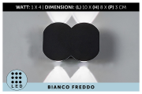 | PACKAGE INCLUDING LED LIGHTS
6820129 | 8032089752824 | APPLIQUE DA MURO ALL.4LED 11X8X3 NERO L.NAT. | 1X12=12 | 320 | 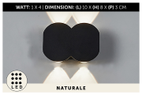 | PACKAGE INCLUDING LED LIGHTS
6820015 | 8024972105589 | APPLIQUE DA MURO ALL.6LED 15X8X3 BIANC L.FRED | 1X8=8 | 56 | 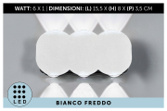 | PACKAGE INCLUDING LED LIGHTS
6820130 | 8032089752831 | APPLIQUE DA MURO ALL.6LED 15X8X3 BIANCO L.NAT | 1X8=8 | 364 | 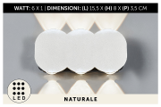 | PACKAGE INCLUDING LED LIGHTS
6820131 | 8032089752848 | APPLIQUE DA MURO ALL.6LED 15X8X3 NERO L.NAT. | 1X8=8 | 364 | 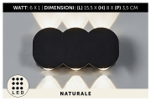 | PACKAGE INCLUDING LED LIGHTS
6820018 | 8024972105770 | APPLIQUE DA MURO ALL.8LED 21X8X3 BIANC L.CALD | 1X8=8 | 400 | 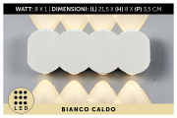 | PACKAGE INCLUDING LED LIGHTS
6820019 | 8024972105787 | APPLIQUE DA MURO ALL.8LED 21X8X3 BIANC L.FRED | 1X8=8 | 408 | 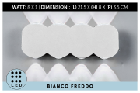 | PACKAGE INCLUDING LED LIGHTS
6820132 | 8032089752855 | APPLIQUE DA MURO ALL.8LED 21X8X3 BIANCO L.NAT | 1X8=8 | 352 | 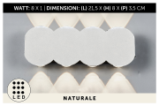 | PACKAGE INCLUDING LED LIGHTS
6820020 | 8024972105794 | APPLIQUE DA MURO ALL.8LED 21X8X3 NERO L.CALD | 1X8=8 | 368 | 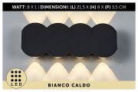 | PACKAGE INCLUDING LED LIGHTS
6820021 | 8024972105800 | APPLIQUE DA MURO ALL.8LED 21X8X3 NERO L.FRED | 1X8=8 | 416 | 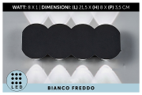 | PACKAGE INCLUDING LED LIGHTS
6820133 | 8032089752862 | APPLIQUE DA MURO ALL.8LED 21X8X3 NERO L.NAT. | 1X8=8 | 368 | 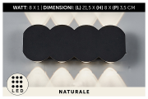 | PACKAGE INCLUDING LED LIGHTS
6820022 | 8024972105817 | APPLIQUE DA MURO ALL.10LED 26X8X3 BIAN L.CALD | 1X8=8 | 32 | 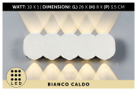 | PACKAGE INCLUDING LED LIGHTS
6820023 | 8024972105824 | APPLIQUE DA MURO ALL.8LED 26X8X3 BIANC L.FRED | 1X8=8 | 16 | 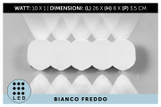 | PACKAGE INCLUDING LED LIGHTS
6820134 | 8032089752879 | APPLIQUE DA MURO ALL.8LED 26X8X3 BIANCO L.NAT | 1X8=8 | 48 | 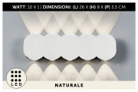 | PACKAGE INCLUDING LED LIGHTS
6820024 | 8024972105831 | APPLIQUE DA MURO ALL.10LED 26X8X3 NERO L.CALD | 1X8=8 | 40 | 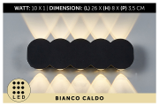 | PACKAGE INCLUDING LED LIGHTS
6820025 | 8024972105848 | APPLIQUE DA MURO ALL.10LED 26X8X3 NERO L.FRED | 1X8=8 | 40 | 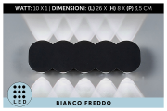 | PACKAGE INCLUDING LED LIGHTS
6820135 | 8032089752886 | APPLIQUE DA MURO ALL.10LED 26X8X3 NERO L.NAT. | 1X8=8 | 40 | 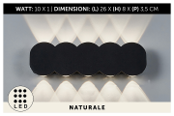 | PACKAGE INCLUDING LED LIGHTS
6820026 | 8024972105855 | APPLIQUE DA MURO ALL.6LED 15X7X4 BIANC L.CALD | 1X12=12 | 180 | 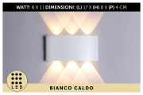 | PACKAGE INCLUDING LED LIGHTS
6820027 | 8024972105862 | APPLIQUE DA MURO ALL.6LED 15X7X4 BIANC L.FRED | 1X12=12 | 252 | 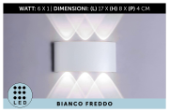 | PACKAGE INCLUDING LED LIGHTS
6820136 | 8032089752893 | APPLIQUE DA MURO ALL.6LED 15X7X4 BIANCO L.NAT | 1X12=12 | 120 | 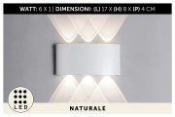 | PACKAGE INCLUDING LED LIGHTS
6820028 | 8024972105879 | APPLIQUE DA MURO ALL.6LED 15X7X4 NERO L.CALD | 1X12=12 | 204 | 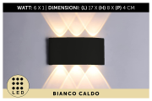 | PACKAGE INCLUDING LED LIGHTS
6820029 | 8024972105886 | APPLIQUE DA MURO ALL.6LED 15X7X4 NERO L.FRED | 1X12=12 | 252 | 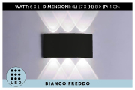 | PACKAGE INCLUDING LED LIGHTS
6820137 | 8032089752909 | APPLIQUE DA MURO ALL.6LED 15X7X4 NERO L.NAT. | 1X12=12 | 132 | 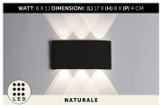 | PACKAGE INCLUDING LED LIGHTS
6820030 | 8024972105893 | APPLIQUE DA MURO PVC 4LED 10X8X4 BIANC L.CALD | 1X18=18 | 198 | 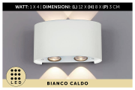 | PACKAGE INCLUDING LED LIGHTS
6820031 | 8024972105909 | APPLIQUE DA MURO PVC 4LED 10X8X4 BIANC L.FRED | 1X18=18 | 126 | 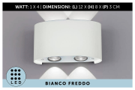 | PACKAGE INCLUDING LED LIGHTS
6820032 | 8024972105916 | APPLIQUE DA MURO PVC 4LED 10X8X4 NERO L.CALDA | 1X18=18 | 126 | 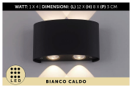 | PACKAGE INCLUDING LED LIGHTS
6820033 | 8024972105923 | APPLIQUE DA MURO PVC 4LED 10X8X4 NERO L.FREDD | 1X18=18 | 108 | 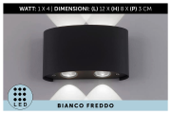 | PACKAGE INCLUDING LED LIGHTS
6820034 | 8024972105992 | APPLIQUE DA MURO PVC 6LED 16X8X4 BIANC L.CALD | 1X18=18 | 180 | 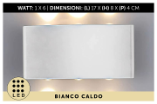 | PACKAGE INCLUDING LED LIGHTS
6820035 | 8024972105961 | APPLIQUE DA MURO PVC 6LED 16X8X4 BIANC L.FRED | 1X18=18 | 180 | 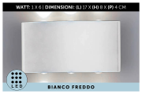 | PACKAGE INCLUDING LED LIGHTS
6820140 | 8032089752930 | APPLIQUE DA MURO PVC 6LED 16X8X4 BIANCO L.NAT | 1X18=18 | 90 |  | PACKAGE INCLUDING LED LIGHTS
6820036 | 8024972105978 | APPLIQUE DA MURO PVC 6LED 16X8X4 NERO L.CALDA | 1X18=18 | 198 |  | PACKAGE INCLUDING LED LIGHTS
6820037 | 8024972105985 | APPLIQUE DA MURO PVC 6LED 16X8X4 NERO L.FREDD | 1X18=18 | 144 |  | PACKAGE INCLUDING LED LIGHTS
6820141 | 8032089752947 | APPLIQUE DA MURO PVC 6LED 16X8X4 NERO L.NAT. | 1X18=18 | 90 |  | PACKAGE INCLUDING LED LIGHTS
6820038 | 8024972106005 | APPLIQUE DA MURO PVC 8LED 21X8X4 BIANC L.CALD | 1X18=18 | 54 |  | PACKAGE INCLUDING LED LIGHTS
6820039 | 8024972106012 | APPLIQUE DA MURO PVC 8LED 21X8X4 BIANC L.FRED | 1X18=18 | 144 |  | PACKAGE INCLUDING LED LIGHTS
6820142 | 8032089752954 | APPLIQUE DA MURO PVC 8LED 21X8X4 BIANCO L.NAT | 1X18=18 | 90 |  | PACKAGE INCLUDING LED LIGHTS
6820040 | 8024972106029 | APPLIQUE DA MURO PVC 8LED 21X8X4 NERO L.CALDA | 1X18=18 | 54 |  | PACKAGE INCLUDING LED LIGHTS
6820041 | 8024972106036 | APPLIQUE DA MURO PVC 8LED 21X8X4 NERO L.FREDD | 1X18=18 | 198 |  | PACKAGE INCLUDING LED LIGHTS
6820143 | 8032089752961 | APPLIQUE DA MURO PVC 8LED 21X8X4 NERO L.NAT. | 1X18=18 | 108 |  | PACKAGE INCLUDING LED LIGHTS
6820050 | 8024972106128 | APPLIQUE DA MURO ALL.2LED 10X10X8 BIANC L.CAL | 1X12=12 | 156 |  | PACKAGE INCLUDING LED LIGHTS
6820051 | 8024972106135 | APPLIQUE DA MURO ALL.2LED 10X10X8 BIANC L.FRE | 1X12=12 | 132 |  | PACKAGE INCLUDING LED LIGHTS
6820148 | 8032089753012 | APPLIQUE DA MURO ALL.2LED 10X10X8 BIANC L.NAT | 1X12=12 | 60 |  | PACKAGE INCLUDING LED LIGHTS
6820052 | 8024972106142 | APPLIQUE DA MURO ALL.2LED 10X10X8 NERO L.CALD | 1X12=12 | 156 |  | PACKAGE INCLUDING LED LIGHTS
6820053 | 8024972106265 | APPLIQUE DA MURO ALL.2LED 10X10X8 NERO L.FRED | 1X12=12 | 144 |  | PACKAGE INCLUDING LED LIGHTS
6820149 | 8032089753029 | APPLIQUE DA MURO ALL.2LED 10X10X8 NERO L.NAT. | 1X12=12 | 84 |  | PACKAGE INCLUDING LED LIGHTS
6820054 | 8024972106227 | APPLIQUE DA MURO ALL.2LED 6,5X8X4 BIANC L.CAL | 1X12=12 | 108 |  | PACKAGE INCLUDING LED LIGHTS
6820055 | 8024972106234 | APPLIQUE DA MURO ALL.2LED 6,5X8X4 BIANC L.FRE | 1X12=12 | 60 |  | PACKAGE INCLUDING LED LIGHTS
6820150 | 8032089753036 | APPLIQUE DA MURO ALL.2LED 6,5X8X4 BIANC L.NAT | 1X12=12 | 96 |  | PACKAGE INCLUDING LED LIGHTS
6820056 | 8024972106258 | APPLIQUE DA MURO ALL.2LED 6,5X8X4 NERO L.CALD | 1X12=12 | 108 |  | PACKAGE INCLUDING LED LIGHTS
6820057 | 8024972106272 | APPLIQUE DA MURO ALL.2LED 6,5X8X4 NERO L.FRED | 1X12=12 | 48 |  | PACKAGE INCLUDING LED LIGHTS
6820151 | 8032089753043 | APPLIQUE DA MURO ALL.2LED 6,5X8X4 NERO L.NAT. | 1X12=12 | 84 |  | PACKAGE INCLUDING LED LIGHTS
6820144 | 8032089752978 | APPLIQUE DA MURO PVC 2LED 16X3,5 BIANCO L.NAT | 1X12=12 | 48 |  | PACKAGE INCLUDING LED LIGHTS
6820145 | 8032089752985 | APPLIQUE DA MURO PVC 2LED 16X3,5 NERO L.NAT. | 1X12=12 | 48 |  | PACKAGE INCLUDING LED LIGHTS
6820046 | 8024972106081 | APPLIQUE DA MURO PVC 2LED 16X9X3 BIANC L.CALD | 1X12=12 | 84 |  | PACKAGE INCLUDING LED LIGHTS
6820047 | 8024972106098 | APPLIQUE DA MURO PVC 2LED 16X9X3 BIANC L.FRED | 1X12=12 | 24 |  | PACKAGE INCLUDING LED LIGHTS
6820146 | 8032089752992 | APPLIQUE DA MURO PVC 2LED 16X9X3 BIANCO L.NAT | 1X12=12 | 36 |  | PACKAGE INCLUDING LED LIGHTS
6820048 | 8024972106104 | APPLIQUE DA MURO PVC 2LED 16X9X3 NERO L.CALDA | 1X12=12 | 96 |  | PACKAGE INCLUDING LED LIGHTS
6820147 | 8032089753005 | APPLIQUE DA MURO PVC 2LED 16X9X3 NERO L.NAT. | 1X12=12 | 48 |  | PACKAGE INCLUDING LED LIGHTS
64971124 | 8024972109549 | LAMPADA DIA.4.5XH.8CM A BATT.IN DISPLAY7 | 6X12=72 | 864
64971120 | 8024972109433 | LAMPADA DIA.6,5XH.11.6CM A BATT.IN DISPLAY | 6X12=72 | 720
64971122 | 8024972109495 | LAMPADA DIA.5XH.12CM A BATT.IN DISPLAY | 6X12=72 | 2376 | 
64971125 | 8024972109556 | LAMPADA DIA.6.5XH.12CM A BATT.IN DISPLAY | 6X12=72 | 1224 | 

 |  |  |  | 19416

